x (coordinates)
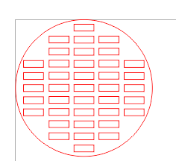
0 | 0 | 16.175 | 0 | 0
0 | 10.279 | 16.175 | 22.079 | 0
0 | 10.279 | 16.175 | 22.079 | 0 | orientation:
4.239 | 10.279 | 16.175 | 22.079 | 28.039
4.239 | 10.279 | 16.175 | 22.079 | 28.039
4.239 | 10.279 | 16.175 | 22.079 | 28.039
4.239 | 10.279 | 16.175 | 22.079 | 28.039
4.239 | 10.279 | 16.175 | 22.079 | 28.039
0 | 10.279 | 16.175 | 22.079 | 0
0 | 10.279 | 16.175 | 22.079 | 0
0 | 0 | 16.175 | 0 | 0

